Q1
ACTIVITY PR-001 — QUESTION 1

ETC |  | 10 minutes
ALO |  | The student will be able to explain why activated-sludge biomass cannot be retained in a continuous-flow aerated reactor without solids separation and how secondary sedimentation with return activated sludge enables biomass retention.
ABET PO |  | PO-6
EUR-ACE PO |  | PO-1
MÜDEK PO |  | PÇ-1.2
Bloom level |  | Remember

Question |  | Using the prescribed topology and operating conditions below, run the dynamic simulation. The reactor receives biodegradable substrate and is continuously aerated, yet the heterotrophic biomass concentration decreases with time. Explain why the biomass decreases and why continuous aeration and substrate supply alone cannot maintain biomass in the system.

Topology and Procera Setup
Model template |  | Introductory S-X Model.pct
Influent | Flow | 100 m3/h
 | Pattern | Default Multiplicative
 | Characterizat'n | SO = 0 mg/L, SS = 250 mg/L; XH = 0 mg/L
Reactor | Area | 120 m2
 | Depth | 5 m
 | Aeration | Constant DO @ 2 mg/L
 | Initials | SO = 0 mg/L, SS = 5 mg/L; XH = 1000 mg/L
Simulat'n settings |  | Dynamic simulation; duration 4 months at 240 sec time-steps
Topology figure |  | 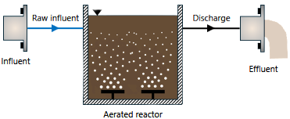 Insert Procera topology screenshot here

Instructions |  | 1. Create a new Procera project using the specified model template. 2. Build the prescribed topology shown in the topology figure. 3. Define the influent characterization and flow rate given above. 4. Define the reactor initial characterization and reactor settings. 5. Run Project Check and correct any setup errors. 6. Run the 4-month dynamic simulation. 7. Inspect the time-dependent heterotrophic biomass (XH) and TSS behavior. 8. Answer the question using the simulated behavior and the concept of solids retention.

Requir'd submiss'n |  | 1. Complete written answer to Q1. 2. Procera project file (PCM), named Q1.pcm

Q2
ACTIVITY PR-001 — QUESTION 2

ETC |  | 10 minutes
ALO |  | The student will be able to explain why activated-sludge biomass cannot be retained in a continuous-flow aerated reactor without solids separation and how secondary sedimentation with return activated sludge enables biomass retention.
ABET PO |  | PO-6
EUR-ACE PO |  | PO-1
MÜDEK PO |  | PÇ-1.2
Bloom level |  | Understand

Question |  | Using the prescribed topology and operating conditions below, run the dynamic simulation. Compare the biomass behavior with that observed in Q1. Explain how the secondary clarifier and return activated sludge (RAS) flow prevent biomass washout and allow heterotrophic biomass to be retained in the system.

Topology and Procera Setup
Model template |  | Introductory S-X Model.pct
Influent | Flow | 100 m3/h
 | Pattern | Default Multiplicative
 | Characterizat'n | SO = 0 mg/L, SS = 250 mg/L; XH = 0 mg/L
Reactor | Area | 120 m2
 | Depth | 5 m
 | Aeration | Constant DO @ 2 mg/L
 | Initials | SO = 0 mg/L, SS = 5 mg/L; XH = 1000 mg/L
Clarifier | Area | 100 m2
 | Depth | 4 m
 | Inlet layer | 5
RAS flow |  | 50 m3/h
Simulat'n settings |  | Dynamic simulation; duration 4 months at 240 sec time-steps
Topology figure |  | 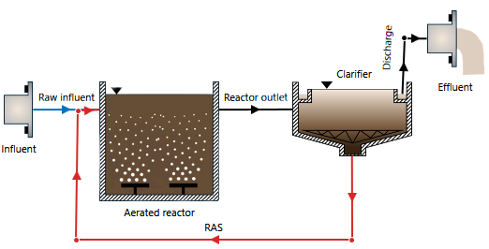 Insert Procera topology screenshot here

Instructions |  | 1. Create a new Procera project using the specified model template. 2. Build the prescribed topology shown in the topology figure, including the secondary clarifier and RAS link. 3. Use the same influent flow, influent characterization, pattern, reactor dimensions, aeration setting, and reactor initial conditions as in Q1. 4. Define the secondary clarifier using the settings given above. 5. Set the RAS flow to 50 m³/h and return the clarifier underflow to the aerated reactor. 6. Run Project Check and correct any setup errors. 7. Run the 4-month dynamic simulation using a 240 s time step. 8. Inspect the time-dependent heterotrophic biomass (XH) and TSS behavior. 9. Compare the biomass behavior with Q1 and explain how secondary clarification and sludge return allow biomass to remain in the system.

Requir'd submiss'n |  | 1. Complete written answer to Q2. 2. Procera project file (PCM), named Q2.pcm

